Part B- E&I and DDM
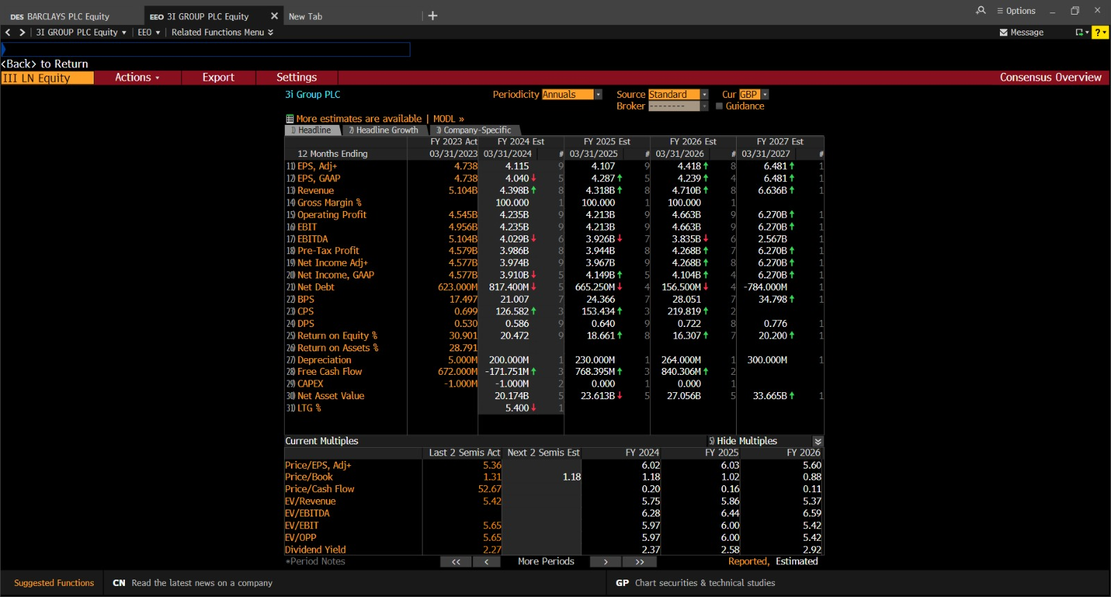
 |  |  |  |  |  |  |  |  |  | Earnings & Investments Model |  |  |  |  |  | Dividends Discount Model
Year | Earnings E(t-1) + incremental earning | Growth Rate g=i*b | Payout Ratio (1-b) | Dividends E*(1-b) | Retention Ratio (b) | Investment E * b | Rate of Return (IRR or i) | NPV E*b[(i-r)/r] | Incremental Earnings (E * b)*IRR | Year | E1 | NPV | PVF (11.19%) | Cont. of Assets | PVGO | Year | Dividends | Terminal Value | PVF (11.19%) | Present Value
2024 | 3.97 | 0.18 | 0.14 | 0.57 | 0.86 | 3.41 | 0.20 | 2.83 | 0.70 | 1 | 3.97 | 2.83 | 0.8994 | 35.51 | 2.54 | 1 | 0.57 |  | 0.8994 | 0.51 | Firm Value | 47,560,000,000
2025 | 4.67 | 0.16 | 0.16 | 0.73 | 0.84 | 3.94 | 0.19 | 2.63 | 0.74 | 2 | 4.67 | 2.63 | 0.8088 |  | 2.13 | 2 | 0.73 |  | 0.8088 | 0.59
2026 | 5.41 | 0.14 | 0.16 | 0.88 | 0.84 | 4.52 | 0.16 | 2.07 | 0.74 | 3 | 5.41 | 2.07 | 0.7274 |  | 1.51 | 3 | 0.88 |  | 0.7274 | 0.64 | Shares Outstanding | 962652872
2027 | 6.15 | 0.18 | 0.12 | 0.74 | 0.88 | 5.41 | 0.20 | 4.36 | 1.09 | 4 | 6.15 | 4.36 | 0.6542 |  | 2.85 | 4 | 0.74 |  | 0.6542 | 0.48
2028 | 7.24 | 0.18 | 0.12 | 0.87 | 0.88 | 6.37 | 0.20 | 5.13 | 1.29 | 5 | 7.24 | 5.13 | 0.5884 |  | 3.02 | 5 | 0.87 | 76.18 | 0.5884 | 45.33 | Intristic Value in pounds | 49.405140091
2029 | 8.53 | 0.10 | 0.12 | 1.02 | 0.88 | 7.50 | 0.11 | 0.00 | 0.84 | Firm Value |  |  |  | 47.56 |  | Firm Value |  |  |  | 47.56
 |  |  |  |  |  |  |  |  |  |  |  |  |  |  |  |  |  |  |  |  | Intristic Value in pence | 4940.5140091 | 2475 | 2465.5140091

 |  | Terminal Value | 76.182580723
 |  | Beta(16/02/2024) | 1.2151 | Taken from Financial Times
 |  | Ke | 11.190600% | 0.111906 | This is Rate of return

 |  | β | 1.2151 | 3i Group Plc, III:LSE summary - FT.com
 |  | Rf | 3.90% | Fernandez Report
 |  | Rm-Rf | 6.0% | Fernandez Report

Part B- PE
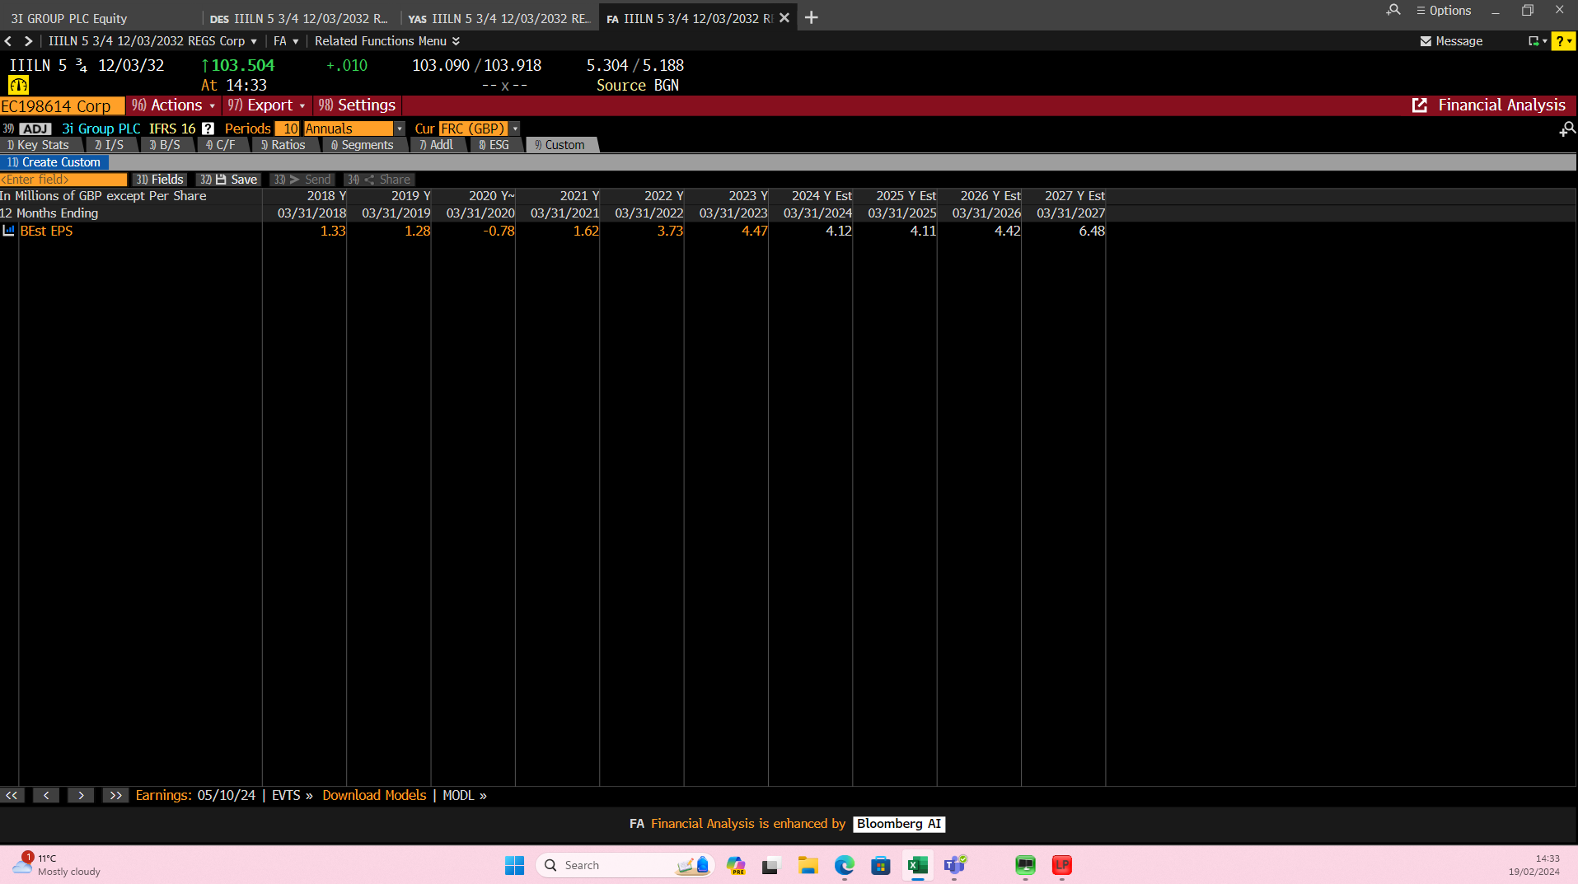
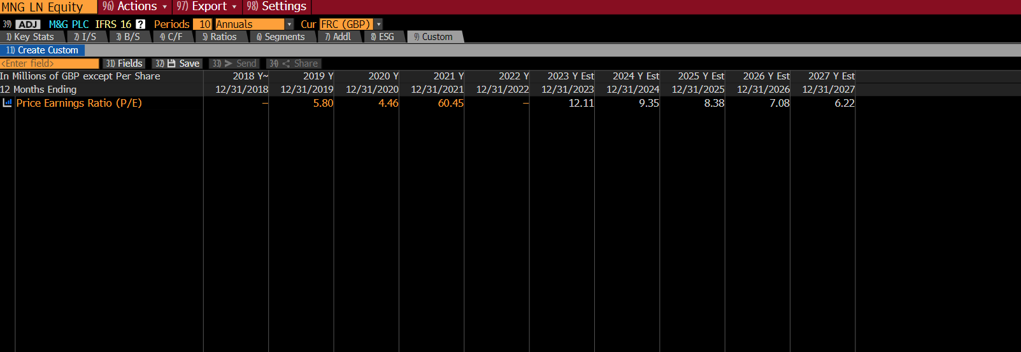
 | 2024 | 2025 | 2026 | 2027 | 2028 |  |  |  |  |  | 19006000
 | Panel A - EPS (in pence) |  |  |  |  |  | 24.0784 |  | 24.52
Company | 4.04 | 4.29 | 4.24 | 6.48 | 6.48 |  | -0.4416 | sell
 | Panel B - P/E |  |  |  |  |  |  |  |  | underpriced
Company | 5.96 | 5.97 | 5.55 | 3.78 | 3.82
Price | 24.0784 | 25.6113 | 23.532 | 24.4944 | 24.7536
 | Panel C Industry P/E
Schroders | 9.3 | 10.65 | 10.12 | 9.15 | 9.15 | schroders plc
M&G plc | 9.8 | 8.38 | 7.08 | 6.22 | 6.22 | m&g plc
Ninety One plc | 9.2 | 11.24 | 10.36 | 9.35 | 9.35 | ninety one plc
Janus Henderson Group | 11.3 | 11.1 | 10.39 | 11.67 | 11.2 | janus henderson group
Industry | 9.9 | 10.3425 | 9.4875 | 9.0975 | 8.98
 | 39.996 | 44.369325 | 40.227 | 58.9518 | 58.1904
Price = Estimated EPS x Estimated P/E of the company |  |  | 2407.84

Price = Estimated EPS x Industry P/E |  |  | 3999.6

Note: Industry P/E can be collected from Bloomberg or calculated by the averge of competitors' P/E
Estimated EPS and estimated P/E can be collected from Bloomberg
If you cannot collect estimated P/E, you can use the formula to calculate it.

Part C-Excel function
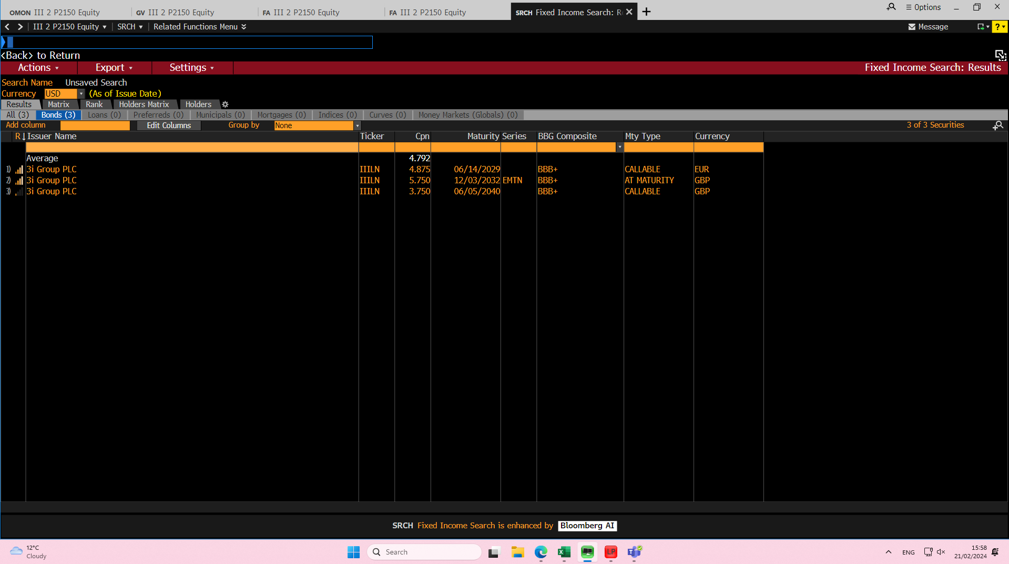
Data | Data
Settlement date | 2024-01-31
Maturity date | 2032-03-12
Annual coupon rate | 0.0575
Yield to maturity | 0.05098084
Face Value | 100
Redemption value (% of face value) | 100
Coupon payments per year | 2

Bond Value | 104.28

Data | Data | If at 1%
Settlement date | 2025-01-31
Maturity date | 2032-03-12
Annual coupon rate | 0.0575
Yield to maturity | 0.06098084
Face Value | 100
Redemption value (% of face value) | 100
Coupon payments per year | 2

Bond Value | 98.01
Holding period | -3.26%

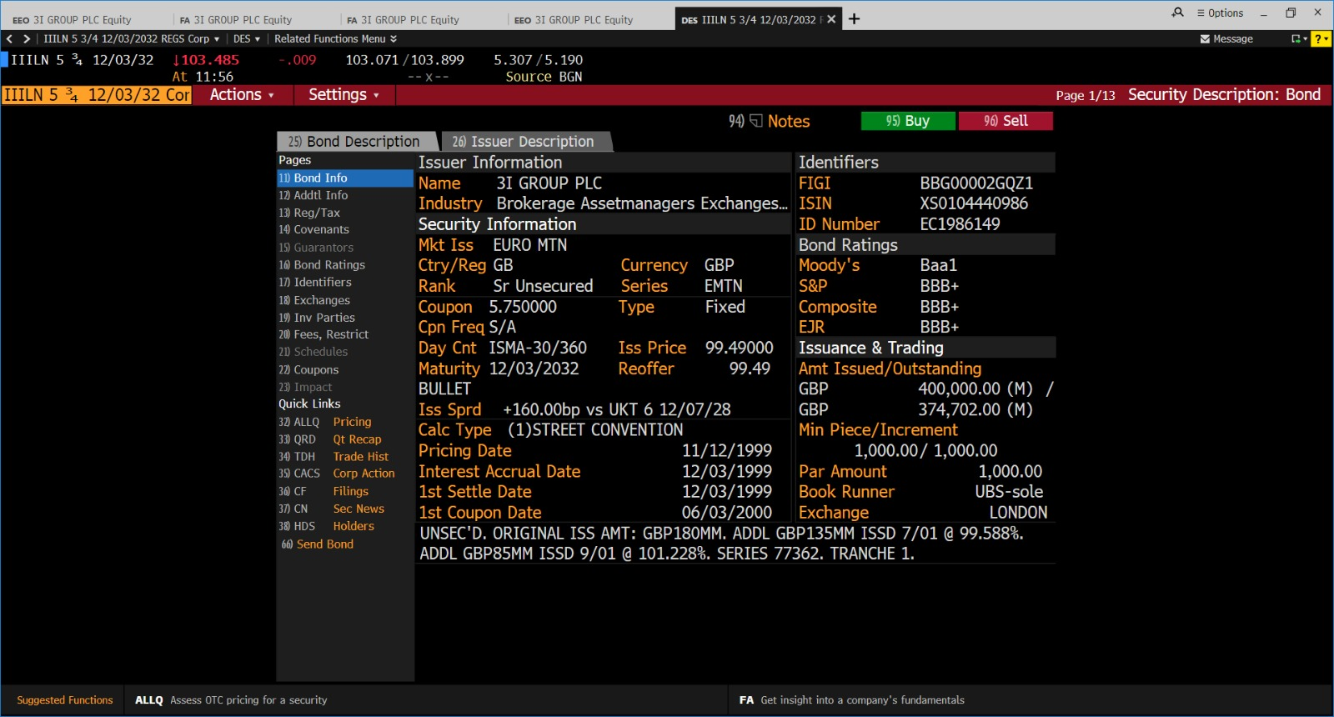
Data | Data | If at .5%
Settlement date | 2025-01-31
Maturity date | 2032-03-12
Annual coupon rate | 0.0575
Yield to maturity | 0.05598084
Face Value | 100
Redemption value (% of face value) | 100
Coupon payments per year | 2

Bond Value | 100.87
Holding Period | -0.51%

Data | Data | No Change
Settlement date | 2025-01-31
Maturity date | 2032-03-12
Annual coupon rate | 0.0575
Yield to maturity | 0.05098084
Face Value | 100
Redemption value (% of face value) | 100
Coupon payments per year | 2

Bond Value | 103.84
Holding Period | 2.34%

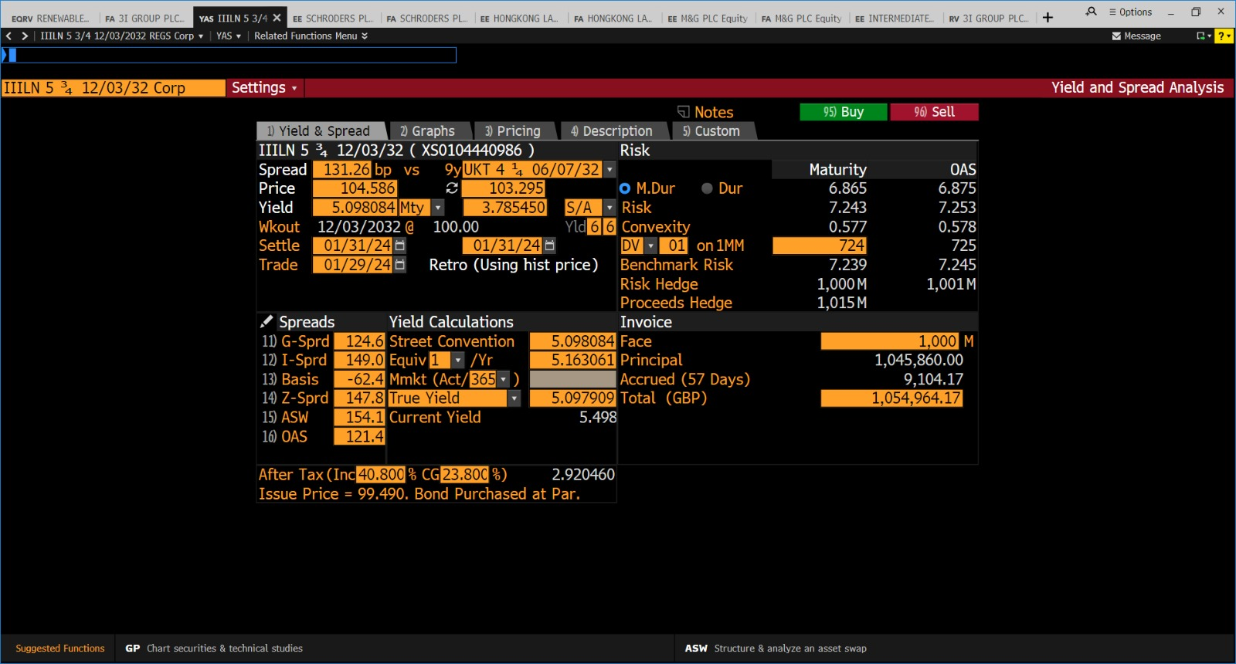
Data | Data | If at -.3%
Settlement date | 2025-01-31
Maturity date | 2032-03-12
Annual coupon rate | 0.0575
Yield to maturity | 0.04798084
Face Value | 100
Redemption value (% of face value) | 100
Coupon payments per year | 2

Bond Value | 105.67
Holding Period | 4.09%

Part D-options
Options Pricing |  |  |  |  |  |  | Assumtion |  |  | Date | Adj Close | Return | Equivalent historical period to calculate volatility
Data |  |  | Formulas |  |  |  | Purchase date | 2023-11-01 |  | 1/11/2023 | 1988 | 0.027655724994
Standard Deviation (annual) | 0.1927 |  | d1 | -0.8396 |  |  | Current price | 1,988.00 |  | 31/10/2023 | 1934.5 | -0.0043746783325 | Standard Deviation |  | 0.0121
Maturity (in years) | 0.25 |  | d2 | -0.9360 |  |  | Exercise price | 2186.8 |  | 30/10/2023 | 1943 | -0.012954025908
Risk-Free Rate (annual) | 0.039 |  | N(d1) | 0.2006 |  |  | Maturity date | 2024-01-31 |  | 27/10/2023 | 1968.5 | -0.0048028311426 | Annualized Standard Deviation |  | 0.1927
Stock Price | 1,988.000 |  | N(d2) | 0.1746 |  |  | Price at maturity | 2497 | 2024-01-31 | 26/10/2023 | 1978 | -0.0090180360721
Exercise Price | 2,186.8 |  | CALL PRICE | 20.52 |  |  | Risk free rate | 3.900% | fernadez | 25/10/2023 | 1996 | 0.0022596033141
 |  |  | PUT PRICE | 198.10 |  |  | Standard deviation | 0.1927 |  | 24/10/2023 | 1991.5 | -0.018482010843 |  | SOURCES
 |  |  |  |  |  |  |  |  |  | 23/10/2023 | 2029 | 0.011970074813
Put-Call parity | 198.10185341 |  |  |  |  |  |  |  |  | 20/10/2023 | 2005 | -0.012801575579
 |  |  |  |  |  |  |  |  |  | 19/10/2023 | 2031 | -0.010716025329
Straddle |  |  | Share Price | Cost of Call | Profit on Call | Cost of Put | Profit on Put | Profit on Straddle | Profit for investors | 18/10/2023 | 2053 | -0.019111323459
You need to decide intervals of share prices |  |  | 86.80 | -20.52 | -20.52 | -198.10 | 1901.90 | 1881.38 | 18813.79 | 17/10/2023 | 2093 | 0.0096478533526
 |  |  | 436.80 | -20.52 | -20.52 | -198.10 | 1551.90 | 1531.38 | 15313.79 | 16/10/2023 | 2073 | 0.0014492753623
 | 10 |  | 786.80 | -20.52 | -20.52 | -198.10 | 1201.90 | 1181.38 | 11813.79 | 13/10/2023 | 2070 | -0.00096525096525
 |  |  | 1136.80 | -20.52 | -20.52 | -198.10 | 851.90 | 831.38 | 8313.79 | 12/10/2023 | 2072 | 0.0072921730676
 |  |  | 1486.80 | -20.52 | -20.52 | -198.10 | 501.90 | 481.38 | 4813.79 | 11/10/2023 | 2057 | 0.0014605647517
 |  | 0.975 | 1836.80 | -20.52 | -20.52 | -198.10 | 151.90 | 131.38 | 1313.79 | 10/10/2023 | 2054 | 0.027256814204
 |  |  | 2186.80 | -20.52 | -20.52 | -198.10 | -198.10 | -218.62 | -2186.21 | 9/10/2023 | 1999.5 | -0.0081845238095
 |  |  | 2536.80 | -20.52 | 329.48 | -198.10 | -25.56 | 303.92 | 3039.16 | 6/10/2023 | 2016 | 0.003984063745
 |  |  | 2886.80 | -20.52 | 679.48 | -198.10 | -25.56 | 653.92 | 6539.16 | 5/10/2023 | 2008 | 0.012862547289
 |  |  | 3236.80 | -20.52 | 1029.48 | -198.10 | -25.56 | 1003.92 | 10039.16 | 4/10/2023 | 1982.5 | -0.0080060045034
 |  |  | 3586.80 | -20.52 | 1379.48 | -198.10 | -25.56 | 1353.92 | 13539.16 | 3/10/2023 | 1998.5 | -0.010153541357
 |  |  | 3936.80 | -20.52 | 1729.48 | -198.10 | -25.56 | 1703.92 | 17039.16 | 2/10/2023 | 2019 | -0.026049204052
 |  |  | 4286.80 | -20.52 | 2079.48 | -198.10 | -25.56 | 2053.92 | 20539.16 | 29/9/2023 | 2073 | 0.0033881897386
 |  |  |  |  |  |  |  |  |  | 28/9/2023 | 2066 | 0.014236622484
 | Profit on Straddle
86.80 | 1881.38
436.80 | 1531.38
786.80 | 1181.38
1136.80 | 831.38
1486.80 | 481.38
1836.80 | 131.38
2186.80 | -218.62
2536.80 | 303.92
2886.80 | 653.92
3236.80 | 1003.92
3586.80 | 1353.92
3936.80 | 1703.92
4286.80 | 2053.92
 |  |  |  |  |  |  |  |  |  | 27/9/2023 | 2037 | -0.0063414634146
Graph |  |  |  |  |  |  |  |  |  | 26/9/2023 | 2050 | 0.0088582677165
 |  |  |  |  |  |  |  |  | 10 | 25/9/2023 | 2032 | -0.0014742014742
 |  |  |  |  |  |  |  |  |  | 22/9/2023 | 2035 | -0.013094083414
 |  |  |  |  |  |  |  |  |  | 21/9/2023 | 2062 | 0.0038948393379
 |  |  |  |  |  |  |  |  |  | 20/9/2023 | 2054 | -0.014868105516
 |  |  |  |  |  |  |  |  |  | 19/9/2023 | 2085 | 0.018563751832
 |  |  |  |  |  |  |  |  |  | 18/9/2023 | 2047 | -0.017754318618
 |  |  |  |  |  |  |  |  |  | 15/9/2023 | 2084 | 0.018075232047
 |  |  |  |  |  |  |  |  |  | 14/9/2023 | 2047 | 0.00441609421
 |  |  |  |  |  |  |  |  |  | 13/9/2023 | 2038 | 0
 |  |  |  |  |  |  |  |  |  | 12/9/2023 | 2038 | 0.0089108910891
 |  |  |  |  |  |  |  |  |  | 11/9/2023 | 2020 | 0.013293202909
 |  |  |  |  |  |  |  |  |  | 8/9/2023 | 1993.5 | 0.0037764350453
 |  |  |  |  |  |  |  |  |  | 7/9/2023 | 1986 | 0.014818599898
 |  |  |  |  |  |  |  |  |  | 6/9/2023 | 1957 | -0.01336022183
 |  |  |  |  |  |  |  |  |  | 5/9/2023 | 1983.5 | -0.0092407592408
 |  |  |  |  |  |  |  |  |  | 4/9/2023 | 2002 | 0.0017513134851
 |  |  |  |  |  |  |  |  |  | 1/9/2023 | 1998.5 | 0.0025081514924
 |  |  |  |  |  |  |  |  |  | 31/8/2023 | 1993.5 | 0.0058022199798
 |  |  |  |  |  |  |  |  |  | 30/8/2023 | 1982 | 0.0058360822126
 |  |  |  |  |  |  |  |  |  | 29/8/2023 | 1970.5 | 0.024168399168
 |  |  |  |  |  |  |  |  |  | 25/8/2023 | 1924 | 0.00025994281258
 |  |  |  | 1000 calls @2497 |  | -289,680.000 |  | #NAME? |  | 24/8/2023 | 1923.5 | 0.0018229166667
 |  |  |  | calls price *1000 | 0 | 20519.54906 | PPT | 20.51954906 |  | 23/8/2023 | 1920 | 0.0076095512989
 |  |  |  |  |  | -310,199.5 | PPT | 2,186.10185340988 |  | 22/8/2023 | 1905.5 | 0.0111435394
 |  |  |  |  |  | -3101.9954906 |  | -2,165.58230434996 |  | 21/8/2023 | 1884.5 | -0.0018538135593
 |  |  |  |  |  |  |  |  |  | 18/8/2023 | 1888 | -0.0018503832937
 |  |  |  |  |  |  |  |  |  | 17/8/2023 | 1891.5 | -0.025
 |  |  |  |  |  |  |  |  |  | 16/8/2023 | 1940 | 0.014909756736
 |  |  |  |  |  |  |  |  |  | 15/8/2023 | 1911.5 | 0.00078534031414
 |  |  |  |  |  |  |  |  |  | 14/8/2023 | 1910 | 0.0013106159895
 |  |  |  |  |  |  |  |  |  | 11/8/2023 | 1907.5 | -0.02053915276
 |  |  |  |  |  |  |  |  |  | 10/8/2023 | 1947.5 | 0.011425603739
 |  |  |  |  |  |  |  |  |  | 9/8/2023 | 1925.5 | 0.0044340114763
 |  |  |  |  |  |  |  |  |  | 8/8/2023 | 1917 | -0.0044144378084
 |  |  |  |  |  |  |  |  |  | 7/8/2023 | 1925.5 | 0.013421052632
 |  |  |  |  |  |  |  |  |  | 4/8/2023 | 1900 | 0.0068892421834
 |  |  |  |  |  |  |  |  |  | 3/8/2023 | 1887 | -0.0029062087186
 |  |  |  |  |  |  |  |  |  | 2/8/2023 | 1892.5 | -0.028989225244
 |  |  |  |  |  |  |  |  |  | 1/8/2023 | 1949

Part D-Goal Seek
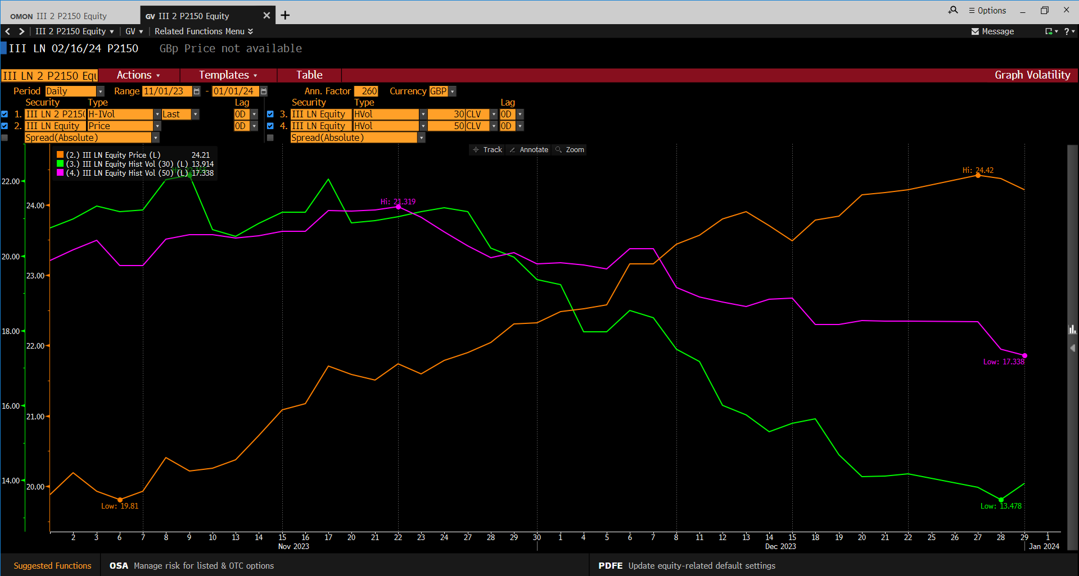
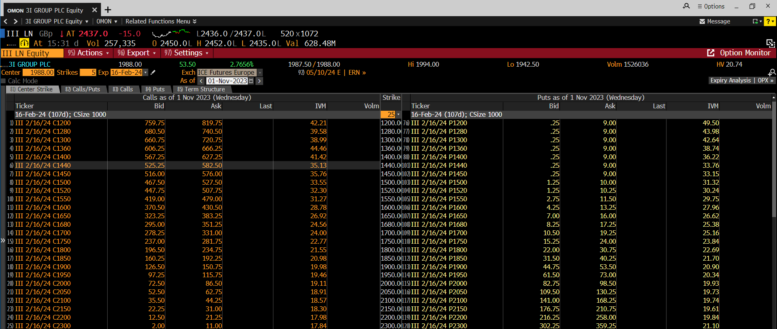
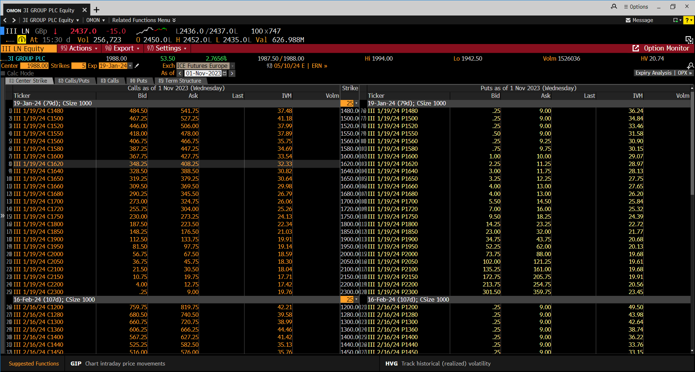
Options Pricing
Data |  | Formulas
Standard Deviation (annual) | 0.37033889556 | d1 | -0.3695
Maturity (in years) | 0.25 | d2 | -0.5546
Risk-Free Rate (annual) | 0.039 | N(d1) | 0.3559
Stock Price | 1988 | N(d2) | 0.2896
Exercise Price | 2186.8 | CALL PRICE | 80.42
 |  | PUT PRICE | 258.00

